Sharples PM 35000
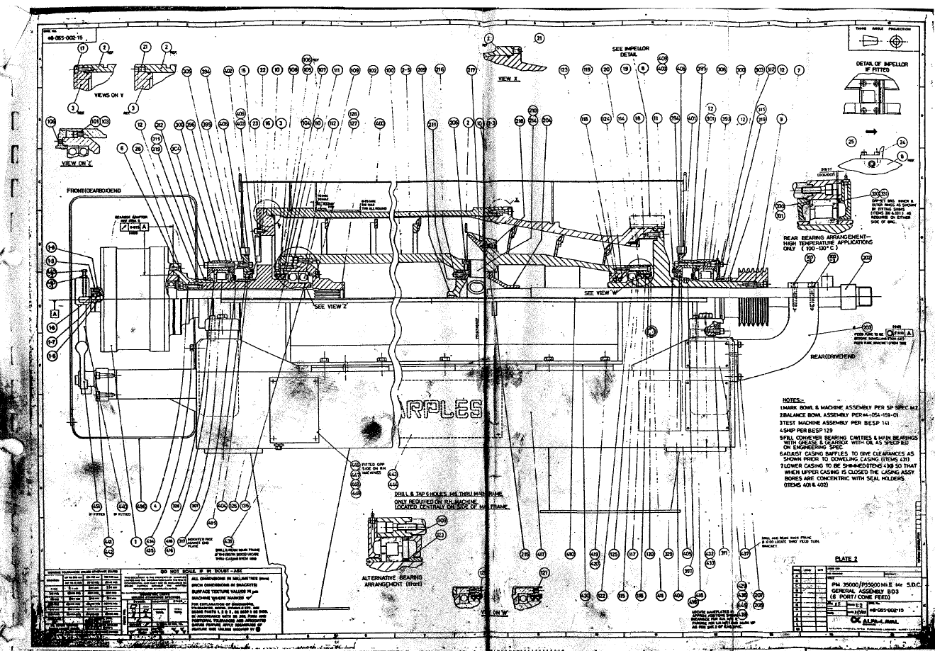

MAJOR SERVICE KIT - SHARPLES 35/36000 | STL1333
INTERMEDIATE SERVICE KIT - SHARPLES 35/36000 | STL1334
SHARPLES 35000 BOWL c/w BEARING ASSY | STL2912
SHARPLES 35/36000 BOWL STAND | STL2915
SHARPLES 35000 OPEN SCROLL (BD3) | STL2933
EROSION LINER ST/ST 304 - SHARPLES 35/36000 | STL2956
ST/ST DISCHARGE NOZZLE - SHARPLES 35/36000 | STL3540
SPARE ST/ST CASING FOR SHARPLES PM 35000 CENTRIFUGE RIGS 3 & 6 | STL3666

MONO-C17
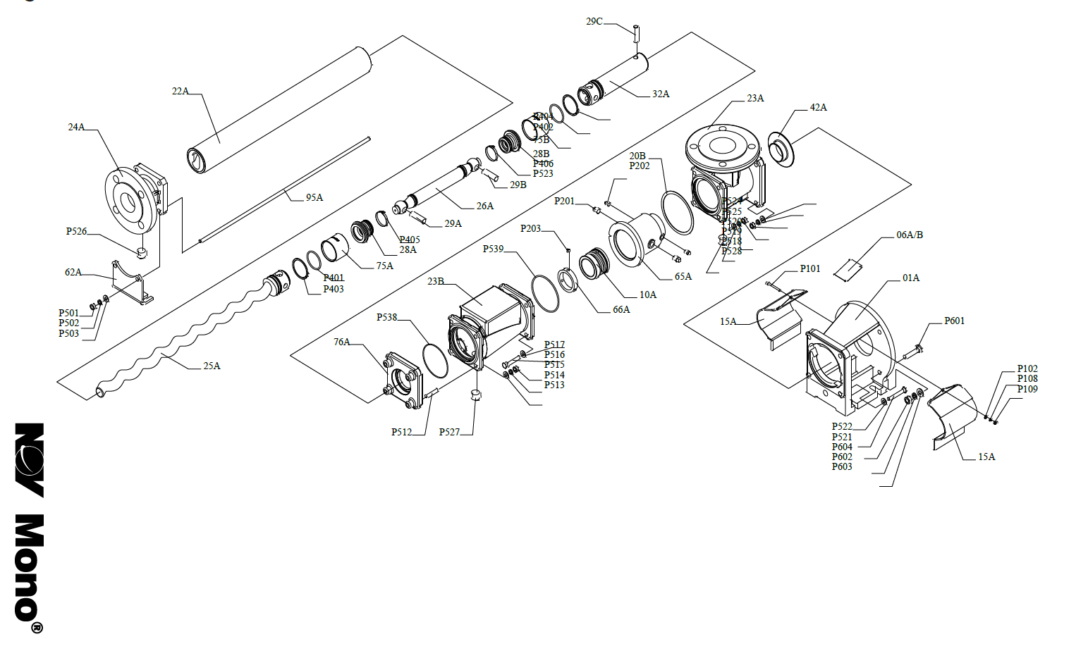
1A BODY-STD C.I. P201 TAPER PLUG 06A NAMEPLATE (SOG) P202 TAPER PLUG 06B NAMEPLATE (DOG) P203 HEX. SOC. SETSCREW 10A MECHANICAL SEAL 15A THROWER GUARD P401 TORL SEAL RING 20B GASKET-GLAND P402 TORL SEAL RING 22A STATOR P403 SPIRAL RET.RING 23A SUCTION CHAMBER P404 SPIRAL RET.RING 23B SUCT CHAMB EXTENSION P405 TIE-SEALING COVER 24A END COVER P406 TIE SEALING COVER 25A ROTOR 26A COUPLING ROD P501 TAPER PLUG 28A SEALING COVER P502 TAPER PLUG 28B SEALING COVER P503 HEX. NUT 29A COUPLING ROD PIN P504 PLAIN WASHER 29B COUPLING ROD PIN P505 SNGL. COIL SPR. WASHER 29C SHAFT PIN P506 HEX. NUT 32A DRIVE SHAFT P507 PLAIN WASHER 42A THROWER P508 SNGL. COIL SPR. WASHER 47A ADAPTOR PLATE P509 TORL SEAL RING 47B ADAPTOR PLATE P510 TORL SEAL RING 62A SUPPORT FOOT P519 TAPER PLUG 65A MECH SEAL CARRIER P520 HEX. HD. BOLT 66A ABUTMENT RING P521 HEX. NUT 74A SLEEVE (ROTOR-SHAFT) P522 PLAIN WASHER 74B SLEEVE (ROTOR-SHAFT) P523 SNGL. COIL SPR. WASHER 95A TIE ROD P601 HEX HD BOLT P104 HEX. HD. BOLT P602 SNGL. COIL SPR. WASHER P105 HEX. NUT P603 PLAIN WASHER P106 PLAIN WASHER P604 HEX. NUT P107 SNGL. COIL SPR. WASHER P109 HEX NUT

SEEPEX BW2
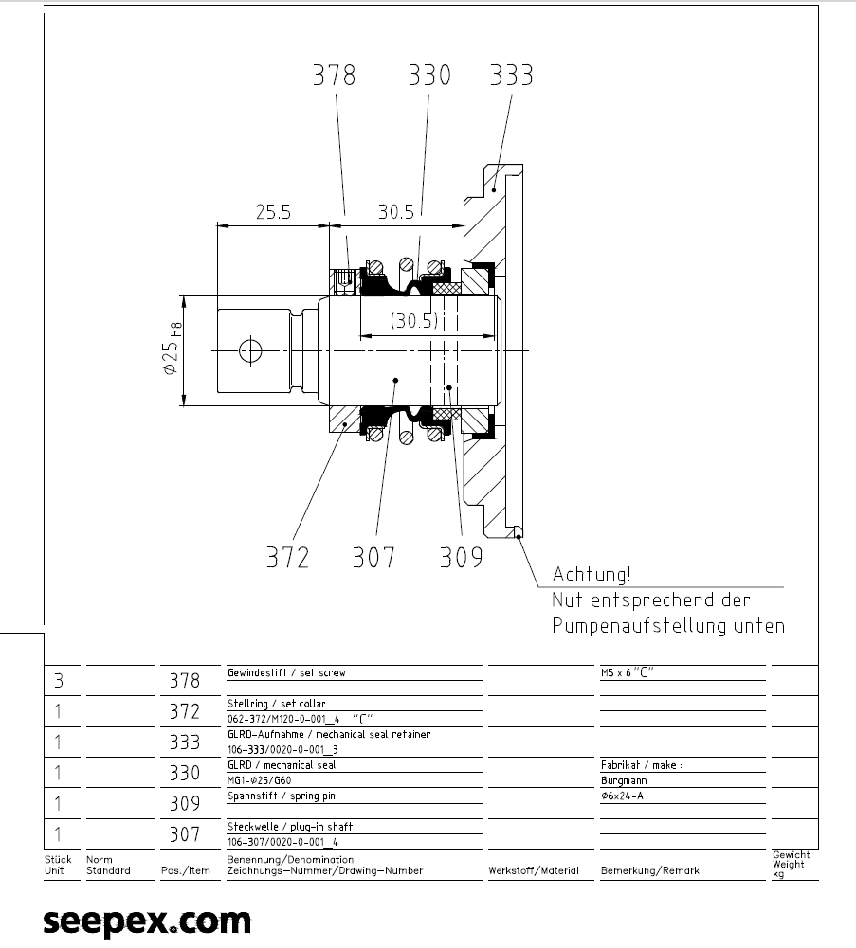

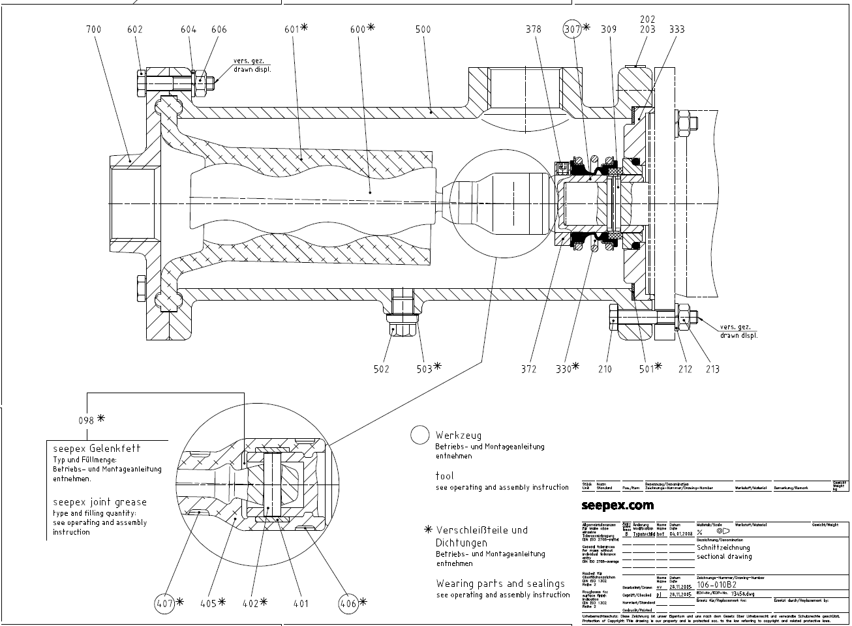

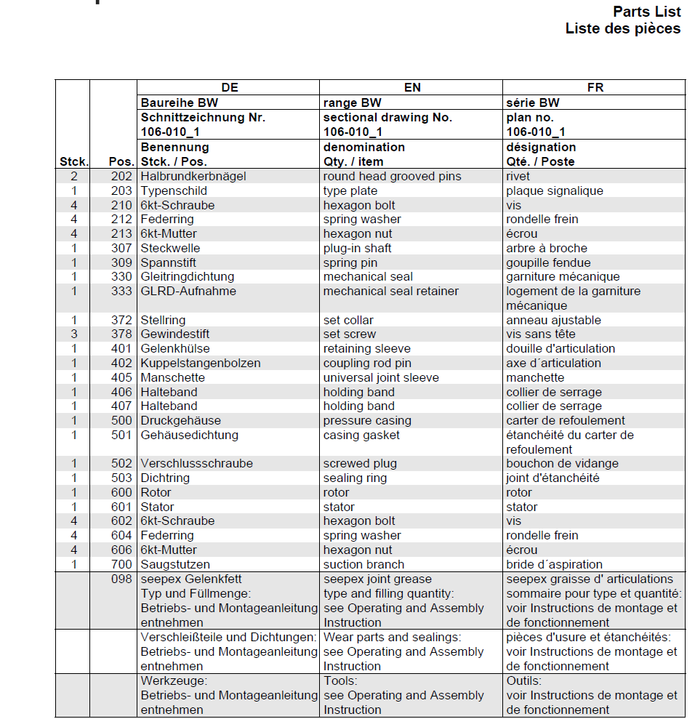

STL1422 | COUPLING ROD | KSTC106001700NXXBE COUPLING ROD 400
STL1424 | RETAINING SLEEVE | GKHN306001700XXXXX RETAINING SLEEVE 401
STL1434 | COUPLING ROD PIN | KBOL506001700XXXXX COUPLING ROD PIN 402
STL1519 | GUIDE BUSH | FBUL706001700XXXXX GUIDE BUSH 403
STL1531 | UNIVERSAL JOINT SLEEVE | MANF006001700XXXXX UNIVERSAL JOINT SLEEVE 405
STL1550 | HOLDING BAND | HBDA5060017003V248 HOLDING BAND
STL1551 | HOLDING BAND | HBDA5060010003V246 HOLDING BAND
STL1552 | ROTOR | ROTC60600520SN06SR ROTOR 600
STL1553 | STATOR | STAF00600520SNNX00 STATOR 601
STL1554 | STATOR | STAF00600520SNTX00 STATOR 601
STL1555 | O RING | O RING R-OF00400D00000000
STL1556 | RETAINING RING | RSIN10250F50000471 RETAINING RING
STL1557 | SUPPORT RING | RSZC106001700R0000 SUPPORT RING
STL1558 | LOCKING PLATE | BSIC306001700R0000 LOCKING PLATE
STL1559 | ROTOR HEAD | ROKC106001700RXXXX ROTOR HEAD 640
STL1560 | GREASE | BGFY800000000KC0XX PIN JOINT GREASE
STL1561 | COUPLING ROD | KSTC106000200NXXBE COUPLING ROD 400
STL1562 | RETAINING SLEEVE | GKHN306000200XXXXX RETAINING SLEEVE 401
STL1563 | COUPLING ROD PIN | KBOL506000200XXXXX COUPLING ROD PIN 402
STL1564 | GUIDE BUSH | FBUL706000200XXXXX GUIDE BUSH 403
STL1565 | UNIVERSAL JOINT SLEEVE | MANF006000200XXXXX UNIVERSAL JOINT SLEEVE 405
STL1566 | HOLDING BAND | HBDT806002003V453 HOLDING BAND
STL1567 | HOLDING BAND | HBDT8060002003V441 HOLDING BAND
STL1568 | HOLDING BAND | HBDT8060005003V444 HOLDING BAND
STL1569 | ROTOR | ROTA70600050AN00BX ROTOR 600
STL1570 | STATOR | STAF00600050ANTX00 STATOR 601
STL1571 | RUBBER STRIP | GUSF8CA2 RUBBER STRIP
STL1572 | COUPLING ROD | KSTC106001400NXXBE COUPLING ROD 400
STL1573 | RETAINING SLEEVE | GKHN306001400XXXXX RETAINING SLEEVE 401
STL1574 | COUPLING ROD PIN | KBOL506001400XXXXX COUPLING ROD PIN 402
STL1575 | GUIDE BUSH | FBUL706001400XXXXX GUIDE BUSH 403
STL1576 | UNIVERSAL JOINT SLEEVE | MANF006001400XXXXX UNIVERSAL JOINT SLEEVE 405
STL1577 | ROTOR | ROTC60600260AN09BX ROTOR 600
STL1578 | STATOR | STAF00600260ANTX00 STATOR 601
STL1875 | ROTOR | ROTA70600520AN09BX ROTOR 600
STL1876 | STATOR | STAF00600520ANTX00 STATOR 601
STL2622 | RETAINING SLEEVE | GKHN3060M1200XXXXX RETAINING SLEEVE - 401
STL2623 | COUPLING ROD PIN | KBOL7060M1200XXXXX COUPLING ROD PIN - 402
STL2624 | UNIVERSAL JOINT SLEEVE | MANF0103M1200TXX06 UNIVERSAL JOINT SLEEVE - 405
STL2625 | ROTOR | ROTJ010600200N00BX ROTOR -- 600
STL2626 | STATOR | STAF010600200NNX00 STATOR - 601
STL2741 | SEEPEX PROGRESSIVE CAVITY PUMP | SEEPEX PROGRESSIVE CAVITY PUMP BTQ 17-12
STL2742 | SEEPEX PROGRESSIVE CAVITY PUMP | SEEPEX PROGRESSIVE CAVITY PUMP BN100-6L
STL2743 | ANTI CONDENSATION HEATERS | ANTI CONDENSATION HEATERS 220v FOR STL 2741
STL2744 | ANTI CONDENSATION HEATERS | ANTI CONDENSATION HEATERS 220V FOR STL 2742
STL2904 | CONTROL DEVICE | CONTROL DEVICE FOR STL2741
STL2905 | CONTROL DEVICE | CONTROL DEVICE FOR STL2742
STL3324 | ROTOR | ROTOR 60/52-6L
STL3747 | SUCTION BRANCH | SUCTION BRANCH - SPARE END CAPS FOR SEEPEX PUMP
STL5860 | SEEPEX PROGRESSIVE CAVITY PUMP | SEEPEX PROGRESSIVE CAVITY PUMP BW2-0
STL5969 | SEAL | MECHANICAL SEAL (ITEM303)
STL5970 | SLEEVE | RETAINING SLEEVE (ITEM 401)
STL5971 | PIN | COUPLING ROD PIN (ITEM 402)
STL5972 | BUSH | GUIDE BUSH (ITEM 403)
STL5973 | SLEEVE | UNIVERSAL JOINT SLEEVE
STL5974 | BAND | HOLDING BAND
STL5975 | BAND | HOLDING BAND
STL5976 | BAND | HOLDING BAND
STL5977 | BAND | HOLDING BAND
STL5978 | STRIP | RUBBER STRIP
STL5979 | PADDLE | PADDLE SHAFT
STL5980 | GASKET | GASKET
STL5981 | RING | DOMSEL SEALING RING
STL5982 | GASKET | CASING GASKET
STL5983 | RING | PACKING RING SET
STL5985 | RING | RETAING RING
STL5986 | RING | RETAING RING
STL5987 | RING | RETAINING RING
STL5988 | RING | RETAINING RING
STL5989 | O-RING | O-RING
STL5990 | O-RING | O-RING
STL5991 | GASKET | CASING GASKET
STL5992 | RING | SEALING RING
STL5993 | RING | TOROIDAL SEALING RING
STL5994 | RING | SEALING RING CONSUMPTION
STL5995 | GREASE | PIN JOINT GREASE
STL5996 | BEARING | SKF-Y FLANGE BEARING
STL5997 | BUSH | BUSH
STL5998 | BOLT | STUD BOLT
STL5999 | TAPE | FOAM RUBBER TAPE
STL6000 | BEARING | GROOVE BALL BEARING
STL6001 | BEARING | GROOVE BALL BEARING
STL6002 | RING | CLAMPING RING
STL6004 | RING | SPLASH RING

